Equity Linked Structure Product
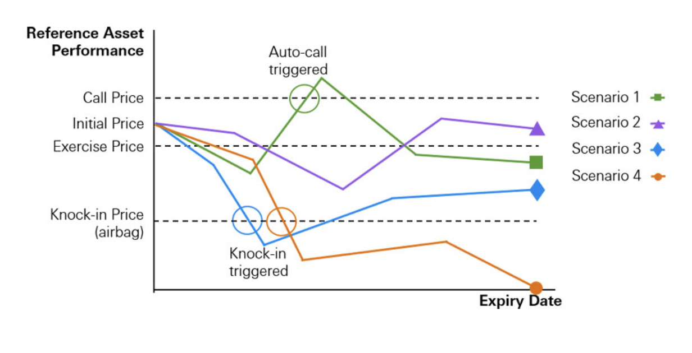

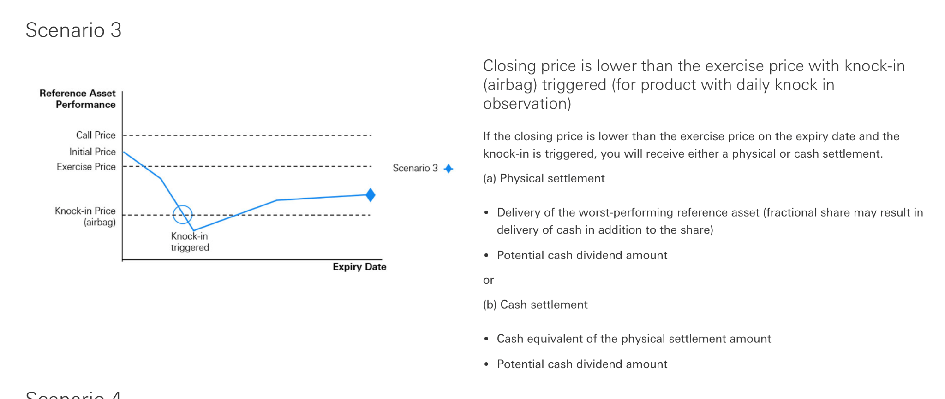

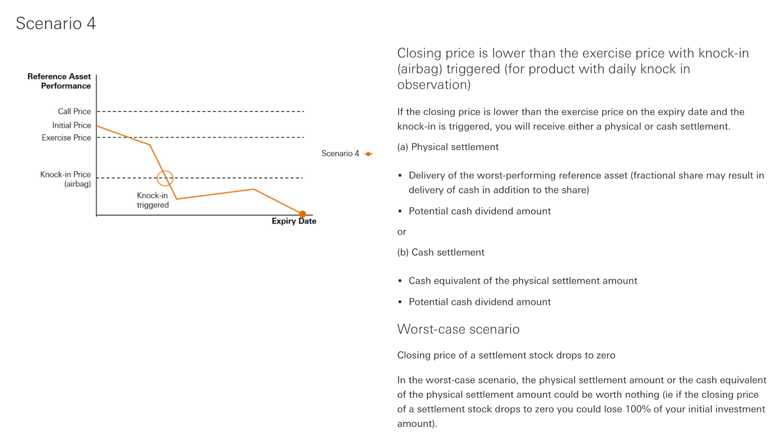

Features
Features
discrete or continuous call dates | 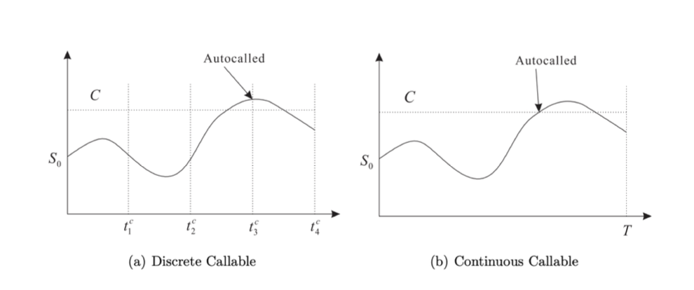 | Discrete autocallables can only be autocalled if the autocall barrier is crossed at an observation date. An observation date is a date where the prices of the underlying assets are observed to determine if there will be a coupon payment or if the note should be autocalled. Continuous autocallable notes on the other hand are called immediately when the relevant underlying asset hits the autocall barrier. This implies that continuous autocallable notes are more likely to be autocalled compared to the discrete autocallable notes (Deng et al., 2011). The difference between discrete and continuous call dates, for autocallable structured products, is illustrated in Figure.
univariate or multivariate Underlying type |  | Univariate autocallables have only one underlying asset, whereas multivariate autocallables have two or more underlying assets. The most popular autocallable today is the worst-of multivariate where the relevant underlying at all times is the worst performing asset. For such products, investors should be aware of the correlation between the underlying assets. If for example, the correlation is low, then there is a higher chance that one of the assets will perform badly.
memorable autocall type

